Summary
Category | Count
Passed | 3
Failed | 3
Skipped | 3
Total | 9
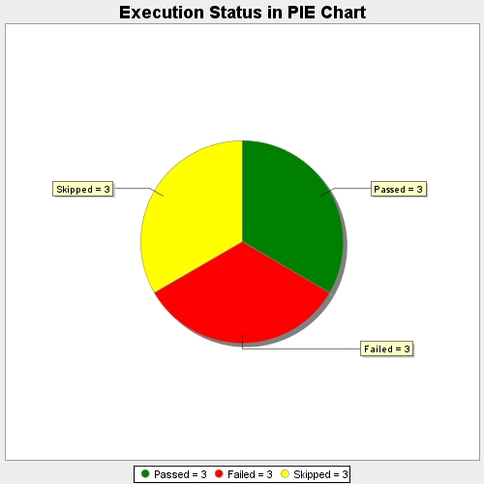
Start Time | 2018-12-08T09:19:04Z
End Time | 2018-12-08T09:19:05Z
Duration | 334 ms

